Title
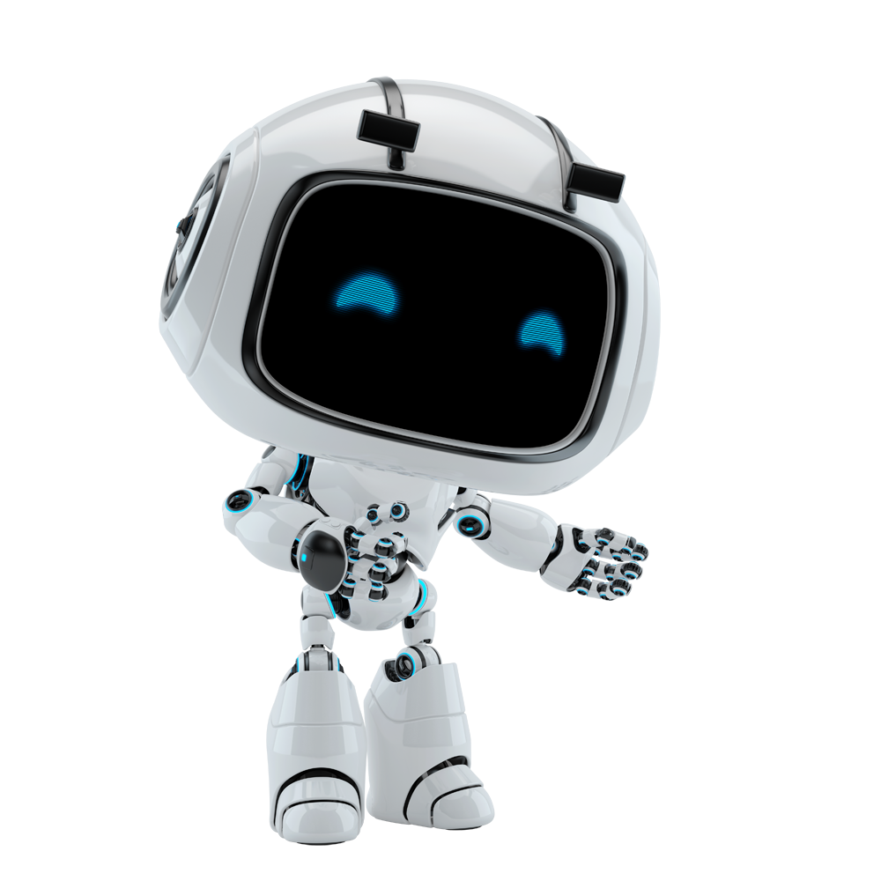

Computer Vision
Test Case

Nomura - Account Engagement Charter

